1.9
SAMPLE SKETCHES
Total Marketing Effort
 |  |  |  | b
 | a | 10 | x | -0.25 | 0 | 0.5 | 1 | 1.5
 |  |  | 0.25 | 14.14 | 10.00 | 5.00 | 2.50 | 1.25
Students would have to choose |  |  | 0.50 | 11.89 | 10.00 | 7.07 | 5.00 | 3.54
a reasonable value for a by |  |  | 0.75 | 10.75 | 10.00 | 8.66 | 7.50 | 6.50
trial and error. |  |  | 1.00 | 10.00 | 10.00 | 10.00 | 10.00 | 10.00
 |  |  | 1.25 | 9.46 | 10.00 | 11.18 | 12.50 | 13.98
 |  |  | 1.50 | 9.04 | 10.00 | 12.25 | 15.00 | 18.37
 |  |  | 1.75 | 8.69 | 10.00 | 13.23 | 17.50 | 23.15
 |  |  | 2.00 | 8.41 | 10.00 | 14.14 | 20.00 | 28.28
 |  |  | 2.25 | 8.16 | 10.00 | 15.00 | 22.50 | 33.75
 |  |  | 2.50 | 7.95 | 10.00 | 15.81 | 25.00 | 39.53

This exercise is designed to help students think in terms of "mental models" and evaluate
reasonable assumptions

 | When b<0, more marketing effort means less demand
 | When b=0, marketing effort has no effect on demand
 | When 0<b<1, we can observe law of diminishing returns
 | When b=1, the relation between marketing effort and demand is linear
 | When b>1, the returns in demand increase for every additional unit marketing effort

 | The models assume that we can clearly measure marketing effect and demand.
 | Also, we do not consider any other factors that affect the demand.

 | Intuitively, the models when b<0 and b=0 and b>1 does not make much sense.
 | It is likely that 0 < b <= 1
 | To determine a good estimate for b, we need to collect data and fit it to the given curve.

A1.4
Gompertz Curve

MODEL:
S = a * e ^ (b * e ^ (c * t))

PARAMETERS: | a | b | c
 | 15000 | -8 | -0.05

t | S
0 | 5.03
10 | 117.16
20 | 790.58
30 | 2,516.85
40 | 5,080.29
50 | 7,778.55
60 | 10,071.94
70 | 11,780.80
80 | 12,955.56
90 | 13,724.44
100 | 14,212.85
110 | 14,517.52
120 | 14,705.48
130 | 14,820.67
140 | 14,890.97
150 | 14,933.78
160 | 14,959.80

A1.11
Break-Even Decision Model

Data | Click on a cell to see its range name in the Name box. | Example:

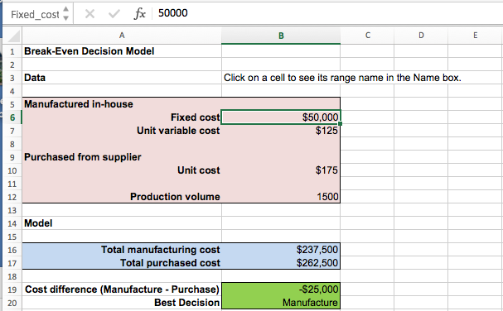
Manufactured in-house
Fixed cost | $50,000
Unit variable cost | $125

Purchased from supplier
Unit cost | $175

Production volume | 1500

Model

Total manufacturing cost | $237,500
Total purchased cost | $262,500

Cost difference (Manufacture - Purchase) | -$25,000
Best Decision | Manufacture

