Exh TN3 Equity Portfolio
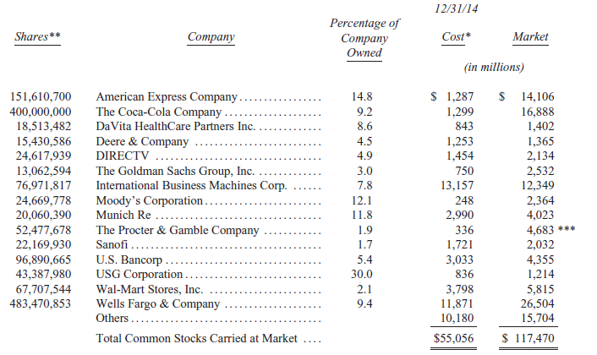
Exhibit TN3
Breakdown of Equity Portfolio Gain by Company
(dollar values in millions)

 | Cost | Market | Gain | % of Gain
American Express Company | $1,287 | $14,106 | $12,819 | 21%
The Coca-Cola Company | 1,299 | 16,888 | 15,589 | 25%
DaVita HealthCare Partners Inc. | 843 | 1,402 | 559 | 1%
Deere & Company | 1,253 | 1,365 | 112 | 0%
DIRECTV | 1,454 | 2,134 | 680 | 1%
The Goldman Sachs Group, Inc. | 750 | 2,532 | 1,782 | 3%
International Business Machines Corp. | 13,157 | 12,349 | (808) | -1%
Moody's Corporation | 248 | 2,364 | 2,116 | 3%
Munich Re | 2,990 | 4,023 | 1,033 | 2%
The Procter & Gamble Company | 336 | 4,683 | 4,347 | 7%
Sanofi | 1,721 | 2,032 | 311 | 0%
U.S. Bancorp | 3,033 | 4,355 | 1,322 | 2%
USG Corporation | 836 | 1,214 | 378 | 1%
Wal-Mart Stores, Inc. | 3,798 | 5,815 | 2,017 | 3%
Wells Fargo & Company | 11,871 | 26,504 | 14,633 | 23%
Others | 10,180 | 15,704 | 5,524 | 9%
Total Common Stocks | $55,056 | $117,470 | $62,414 | 100%
Percent Gain of Market over Cost |  |  | 113%

Data source: Case Exhibit 5.

Exh TN4 WACC
Exhibit TN4
Estimation of Weighted Average Cost of Capital

Cost of Equity
 | Description | PCP View | BRK View | Source
 | Market return | 9.90% | 9.90% | Footnotes 6 and 15
 | Risk free rate | 2.89% | 2.89% | Footnote 15
 | Market risk premium | 7.01% | 7.01%
 | Beta | 0.38 | 0.90 | Footnote 15
 | Cost of equity | 5.55% | 9.20%

Weighted-average cost of capital (WACC)

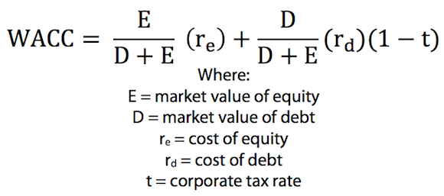
 | Description | PCP View | BRK View | Source
 | AA-rated corporate bond yield | 3.95% | 3.95% | Footnote 15
 | Long-term debt ($ millions) | $4,900 | $71,930 | Footnote 1 and Exhibit 2
 | MV equity ($ millions) | $31,208 | $353,721 | Footnote 15

 | % Debt | 13.6% | 16.9% | calculated
 | % Equity | 86.4% | 83.1% | calculated

 | Cost of Equity | 5.55% | 9.20% | calculated

 | Pre-tax cost of debt | 3.95% | 3.95% | above
 | Expected marginal tax rate | 39.0% | 39.0% | Footnote 15
 | After-tax cost of debt | 2.4% | 2.4% | calculated

 | WACC | 5.1% | 8.1% | calculated

Source: Authors’ analysis.

